X RAY ATTENUATION
 | Determination of a technique for thin film measurements
 | ranging from 50nm to 1um(Copper To Kapton)
 | with a resolution of +-5nm using X-Ray attenuation

AIM-
 | To determine a technique for thin film measurements
 | ranging from 50nm to 1um(Copper To Kapton)
 | with a resolution of +-5nm using X-Ray attenuation

DEVICES REQUIRED-
Si-PIN X-Ray Detector | https://www.amptek.com/products/x-ray-detectors/sipin-x-ray-detectors/sipin-x-ray-detectors

Mini-X2 X-Ray Tube | https://www.amptek.com/products/mini-x2-x-ray-tube

PX2T-CdTe Power Supply & Shaping Amplifier | https://www.amptek.com/internal-products/obsolete-products/px2t-cdte-power-supply-shaping-amplifier-for-the-xr100t-cdte

Ratemeter | https://122.physics.ucdavis.edu/course/cosmology/sites/default/files/files/Gamma%20Spec/PulseHeightAnalysis.pdf
BNC CABLES
RS232
USB PORT

Settings of PX2T-CdTe Power Supply & Shaping Amplifier

RTD | ON

EXPERIMENTAL SETUP

The setup above should be place in a lead box to prevent interference with cosmic radiations

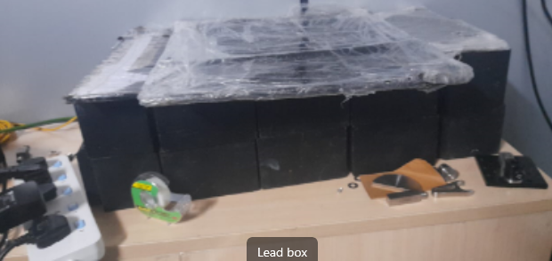

The setup below has the detector located 2.5cm away feom the aperature and the
X ray tube located 5.5 cm away from the aperture
The X ray detector has power pin(Hirose MQ172-3PA(55),
Mating plug: MQ172-3SA-CV),(RS232),and an output pin(BNC CABLE)

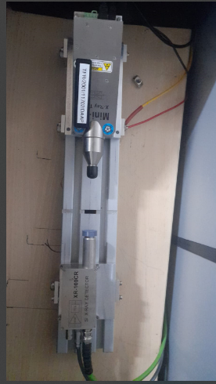

 |  |  |  |  | Ground
 |  |  |  | POWER CABLE

 |  |  |  | MICRO USB PORT TO PC
5.5cm
2.5cm

 |  | POWER CABLE | OUTPUT

The power cable of the detector goes to the amplifier PX2T/CR which provides the power supply
for the detector

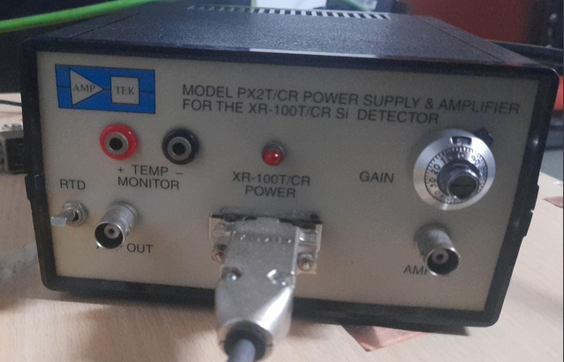
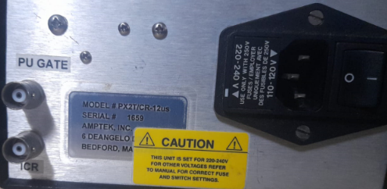


The output signal of the detector goes to the Single Channel Analyzer
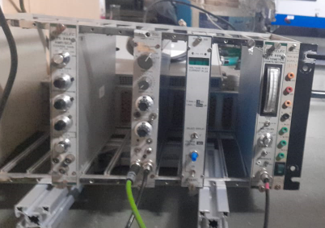

The ouput from SCA goes to the ratemeter which measures the count rate


PROCEDURE

1)

 | To generate X rays, a Mini-X2 X-Ray Tube is used which includes the X-ray tube,
 | the power supply, the control electronics, and the USB communications to the computer.
 | The Mini-X2 consists of two components: the Mini-X2 X-ray tube module and the Mini-X2 Controller.
 | The X-ray tube module includes the tube and high voltage power supply.
 | The X ray tube is operated by a software called Mini X Controller

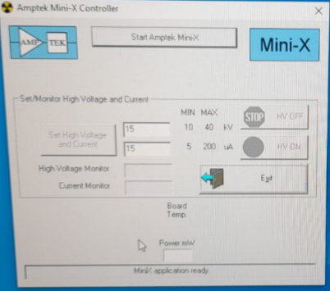

2) | To detect X rays, Si-PIN X-Ray Detector is used .The Si-PIN is a high performance thermoelectrically
 | cooled X-ray detector and can be combined with several preamplifier and digital pulse processor configurations.
 | THe signal from the detector goes to the SCA which is connected to a ratemeter

3)
a) | Ratemeter measures the counting rate of randomly arriving pulses with 18 distinct scales that span this range of counting rates.
b) | The scales are set up in a 25, 50, 100 order, ranging from 25 counts per second to 10^7 counts per second full scale.
c) | To read counts per second we have to look at the Front-panel meter.
d) | Actual value for the full-scale reading is determined by the product of the RANGE and and MULTIPLIER values.
e) | The MULTIPLIER switch selects a multiplying factor of 0.5,1.0, or 2.0. and there are three range options, 0-2.5,0-5 and 0-10
f) | So we connect BNC from the output from the detector/amplifier to the input of the SCA(Single Channel Analyzer).
g) | When the peak signal amplitude of a single channel analyzer (SCA) falls within the pulse-height window
 | defined by two predetermined threshold values, an output logic pulse is generated.
h) | This signal goes to the ratemeter which neasures the count rate of number of peaks of the signal

4) | Now count rates can be observed with change in parameters like tthickness voltage current and gain. We will analyze the count
 | trate for various thickness with change in parameters

